Inschrijfformulier
Please help us by filling in this form using Excel and e-mail it to: secreatris.nsodc@gmail.com

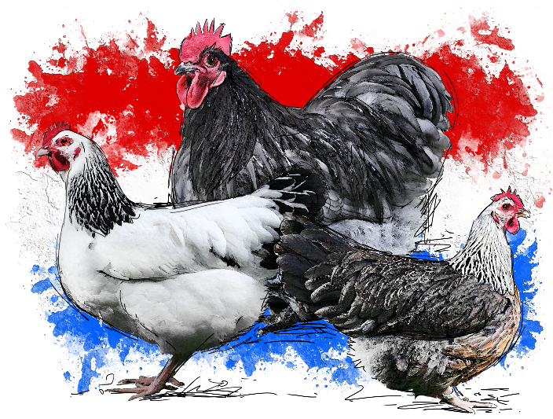
European championship for
Sussex, Orpington en Dorking large en bantam
WWW.NSODC.EU
Giethmen NL |  |  |  | 23-25 okt. 2020

 |  |  |  | Enter before 14th of september to:
 |  |  |  | secretaris.nsodc@gmail.com
 |  |  |  | Contact +31 6 20121337 or +31 6 11800216

Name
Street
ZIP, City, Country
Phonenumber
e-mail address

Breed | Color | M/F | Old/Young | Salesprice

Activities, I will join: | Costs per person |  | Qty | Total
Diner Thursday | € 17.50 |  | 0 | € -
B&B Thursday | € 45.00 |  | 0 | € -
Breakfast Friday | € 7.50 |  | 0 | € -
Lunch Friday | € 10.00 |  | 0 | € -
Diner Friday | € 17.50 |  | 0 | € -
B&B Friday | € 45.00 |  | 0 | € -
Breakfast Friday | € 7.50 |  | 0 | € -
Lunch Saturday | € 10.00 |  | 0 | € -
Breedersparty Saturday | € 35.00 |  | 0 | € -
B&B Saturday | € 45.00 |  | 0 | € -
Breakfast Sunday | € 7.50 |  | 0 | € -

Out of competition |  | Cost p.p. | Qty | Total
Large transitcages (not judged) |  | € 2.50 | 0 | € -
Bantam transitcages (not judged) |  | € 2.50 | 0 | € -
Salessection Large birds (not judged) |  | € 5.00 | 0 | € -
Salessection Bantams (not judged) |  | € 5.00 | 0 | € -

Totals |  | Cost p.p. | Qty | Total
Singles |  | € 6.50 | 0 | € -
Birds for sale |  | € 2.50 | 0 | € -
Administrationfee |  | € 4.00 | 1 | € 4.00
Catalogue |  | € 6.00 | 1 | € 6.00
Gift |  |  |  | € -
Total |  |  |  | € 10.00
Enter before 14 september 2020

Please transfer the total amount to: IBAN NL35 INGB 000 460 37 86 | BIC: INGBNL2A, Penningmeester NSODC, Oosthuizen. Your entry is only valid when the entryfee has been fully paid by banktransfer.

Bird entry: Thursday 22 oktober 2020 between 08.00 and 21.00 hr
Open for public: Friday 23 oktober 2020 16.30 – 19.00 hr. Saturday 24 oktober 2020 09.30 – 16:30 hr.
Exit: Saturday 24 oktober 2020 as of 16.30 hr. and sunday 25 oktober after breakfast

Please E-mail this form to secretaris.nsodc@gmail.com

